Cover
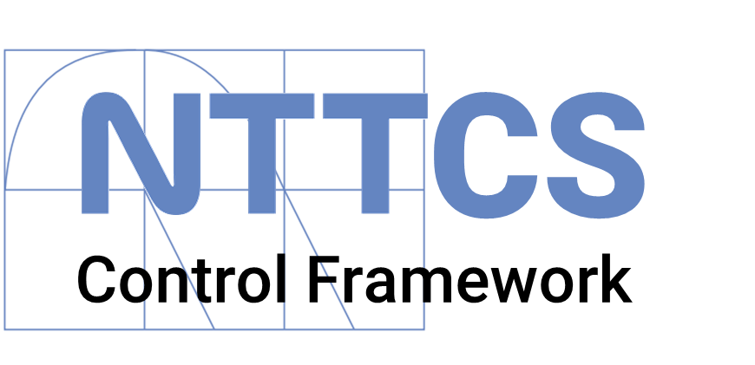

NTT Cybersecurity Control Framework
NTT DATA EMEAL Cybersecurity Services
Risk Management

 | Last update: | 2023-04-24

Graphic Results
 |  | GRAPHIC RESULTS

Maturity by Function
Cybersecurity Maturity by Function
Domain | (Todas)
Selected? (Y/N) | Y

Etiquetas de fila | Suma de Relative result by Function
Detect | 4.3015463918
Identify | 4.2906976744
Protect | 4.0855263158
Recover | 3.75
Respond | 3.75
Total general | 20.177770382

Cybersecurity Maturity by Domain
Function Grouping | (Todas)
Selected? (Y/N) | Y

Maturity by Domain
Etiquetas de fila | Suma de Relative result by Domain
Asset Management | 4
Business Continuity & Disaster Recovery | 3.9659090909
Capacity & Performance Planning | 4.25
Change Management | 4.25
Compliance | 4.25
Configuration Management | 4.25
Continuous Monitoring | 4.25
Cryptographic Protections | 4.25
Data Classification & Handling | 4.25
Endpoint Security | 4.25
Human Resources Security | 3.75
Identification & Authentication | 3.75
Incident Response | 3.75
Maintenance | 3.75
Mobile Device Management | 3.75
Network Security | 3.75
Physical & Environmental Security | 3.75
Privacy | 3.75
Project & Resource Management | 4.75
Risk Management | 4.75
Secure Engineering & Architecture | 4.75
Security & Privacy Governance | 3.75
Security Awareness & Training | 4.75
Security Operations | 4.75
Technology Development & Acquisition | 4.75
Third-Party Management | 4.75
Web Security | 4.75
Total general | 113.71590909

Maturity
Cybersecurity Maturity by Domain/Function
Domain | (Todas)
Selected? (Y/N) | Y
Function Grouping | Identify

Etiquetas de fila | Suma de Numeric result
Asset Inventories | 4
Data & Asset Classification | 4.25
Development Methods, Techniques & Processes | 4.75
Digital Security Governance Program | 3.75
Managing Changes To Third-Party Services | 4.75
Privacy Program | 3.75
Publishing Cybersecurity & Privacy Documentation | 3.75
Risk Assessment | 4.75
Roles & Responsibilities | 3.75
Secure Disposal, Destruction or Re-Use of Equipment | 4
Security & Privacy Requirements Definition | 4.75
Security Portfolio Management | 4.75
Site Security Plan (SitePlan) | 3.75
Software Assurance Maturity Model (SAMM) | 4.75
Statutory, Regulatory & Contractual Compliance | 4.25
Supply Chain Protection | 4.75
Terms of Employment | 3.75
Third-Party Contract Requirements | 4.75
Third-Party Management | 4.75
Total general | 81.75

